Period 1
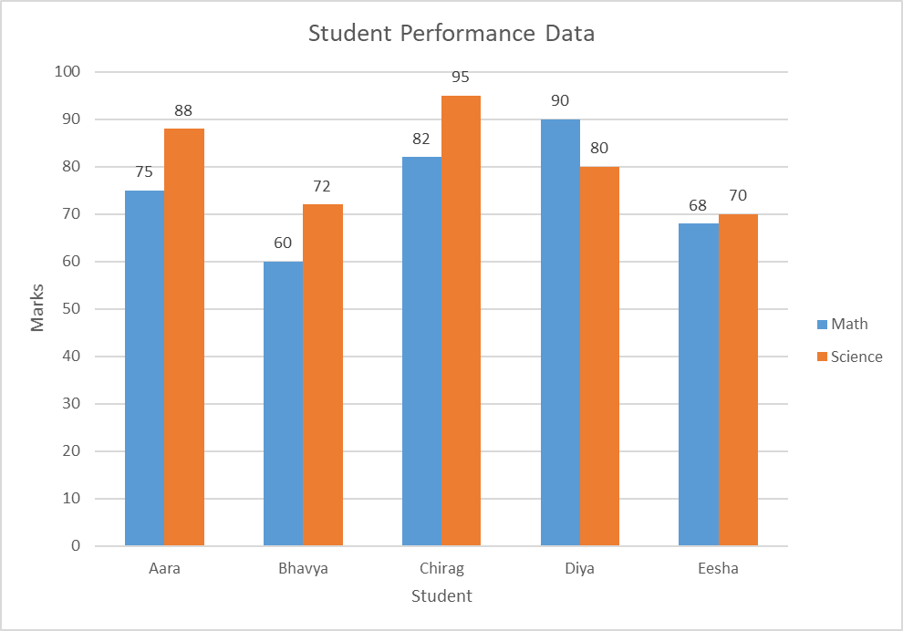
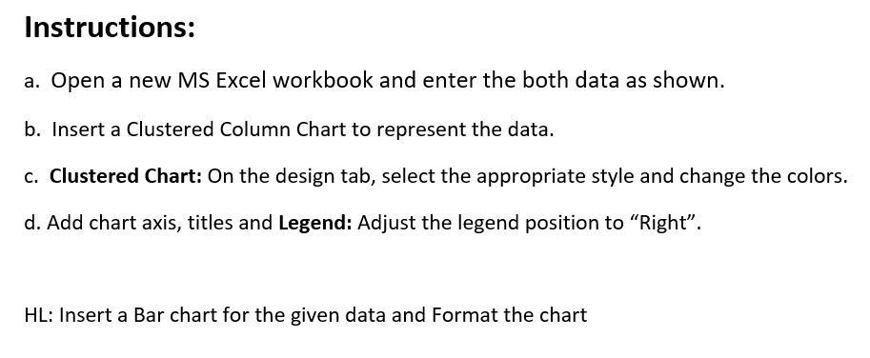
Student | Math | Science
Aara | 75 | 88
Bhavya | 60 | 72
Chirag | 82 | 95
Diya | 90 | 80
Eesha | 68 | 70

Period 2-HL
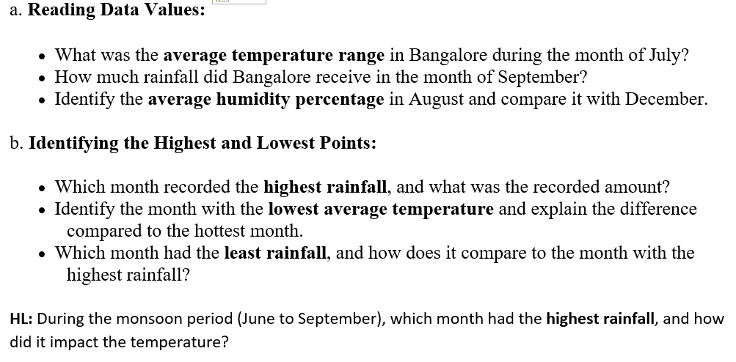
Weather Data (Bangalore - 2024) |  |  | Reference
Month | Average Rainfall (mm) | Humidity (%) | Notable Events
January | 5 | 65% | Cool mornings, dry weather
February | 10 | 60% | Warm afternoons
March | 15 | 55% | Slight increase in temperature
April | 30 | 58% | Pre-monsoon showers
May | 55 | 62% | Hot, occasional thunderstorms
June | 110 | 70% | Southwest monsoon onset
July | 125 | 75% | Heavy rains, cloudy skies
August | 140 | 78% | Peak monsoon period
September | 130 | 73% | Monsoon continues
October | 186 | 70% | Record rainfall, flooding reported
November | 60 | 68% | Cooler, post-monsoon showers
December | 20 | 65% | Cool, dry, pleasant weather

